Dashboard
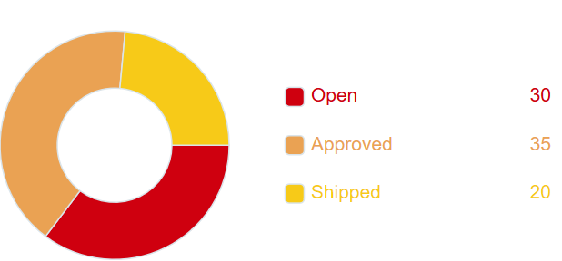

No. PO | suplier | item number | item description | qty ordered | qty ship | qty received | UM | Due date | Status
PO001 | PT. APA | 1001 | ibuprofen | 100 | 0 | 0 | kg | 43915 | Approved
PO001 | PT. APA | 1002 | paracetamol | 200 | 200 | 200 | kg | 43915 | Received
PO002 | PT. APA | 1003 | Alkohol 70% | 150 | 150 | 20 | L | 43915 | Shipment
PO003 | PT. APA | 1004

Flow PO
Acceptable

 |  |  | No |  |  | Yes

PO Revise by Purchasing
Supplier edit date and Qty
Send Alert to Supplier

 | Edit in QAD

 |  |  |  | No
Create PO in QAD
PO Created in WEB Status: New
Send Alert to Supplier
Confirm PO
Purchase Order status change to Confirm Status: Confirm
 |  |  |  |  | yes

Process Purchase Order
Automatic |  | Download list PO
Note: TaylorPro atau Schedule |  | Hanya memberikan alert pada PO yang masih open dan berbeda dari data di MySqL
Schedule tiap 30 menit
Apabila PO yang masih Open dibaca dan datanya berbeda maka akan diupdate ke web

Shipment Process

Flow Monitoring
Point: Melihat PO mana saja yang sudah mau due date

Alert to purhasing / supplier?
Purchasing review PO in Website
Send Alert / Email to Purchasing
 |  | Purchasing

Parameter based
Due in X days | Supplier
Idle PO (sudah lewat X days)
Send Alert / Email to Supplier

Flow Shipment
Purchase Order status change Status: On Delivery
Is the goods acceptable?
Supplier input Surat Jalan
The Goods are Arrived
Warehouse mengisi qty aktual di Portal
 |  |  | No | Fitur: update cancel back order

Send notification to purchasing & supplier
 | Cek fisik oleh warehouse
Automatic |  | Yes
Validasi dengan qty / ammount tolerance

 |  |  | Data terpisah untuk email purchasing & supplier

Change purchase order status to Closed

PO is received in QAD

